Volumetric Analysis
Sl No. | Brief Description | Remarks | Development Infra used for Volumeric Run
1 | Please find below the volumetric statistics performed on in-house development environment. Scope : On-Premise Teradata Data offload to Azure hosted SQL Data Warehouse Source Table Detail -------------------------- No of Columns in the source table:21 No of Datatypes supported:21 No of Rows :10 Million Teradata Table Size :1.54 GB Data Offload Performance Metrices ------------------------------------------------ Teradata offload to Azure Blob stroage using Fastexport and AzCli : 52 minutes Data insertaion from blob storage to SQL Datawarehouse table using polybase :3 minutes ---------------------------------------------------------------------------------------------------------------------------- Total Time : 55 Minutes Reconciliation Performance Metrices ------------------------------------------------ Data extraction from SQL Datawarehouse using bcp utility: 6 minues Move Data from Windows system to Bigframe backend server: 6 minutes Data reconcilliation process: 1 minute ---------------------------------------------------------------------------------------------------- Total Time : 13 Minutes | Please refer table structure for more detail | 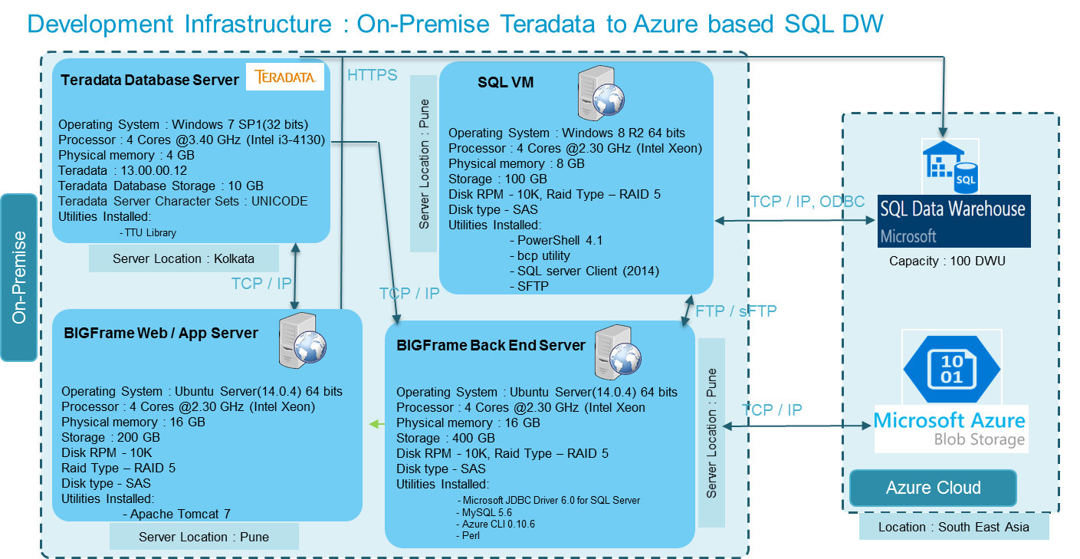
2 | Please find below the volumetric statistics performed on in-house development environment. Scope : On-Premise Teradata Data offload to On-premise Hadoop Source Table Detail ------------------------- No of Columns in the source table:21 No of Rows :10 Million Teradata Table Size :1.54 GB Data Offload Performance Metrices Detail --------------------------------------------------------- Teradata offload to Hive using Apache sqoop : 22 minutes | Please refer table structure for more detail | 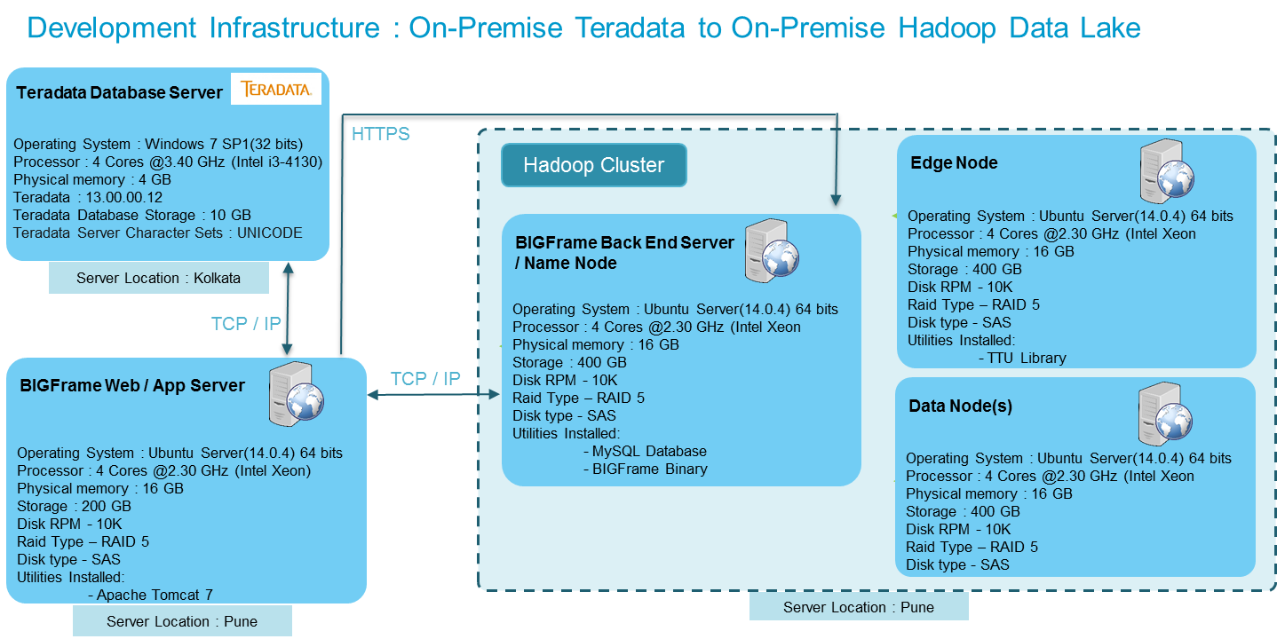

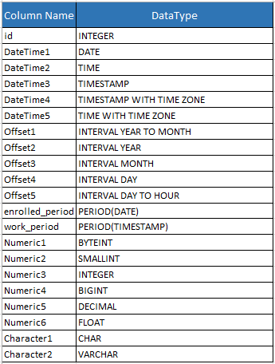
Table Structure used for Volumetric Test Run

